Sheet1
Scene No. | 3
Quest Title | 玩具失窃案
Quest Log | 找白
Map No. | 22
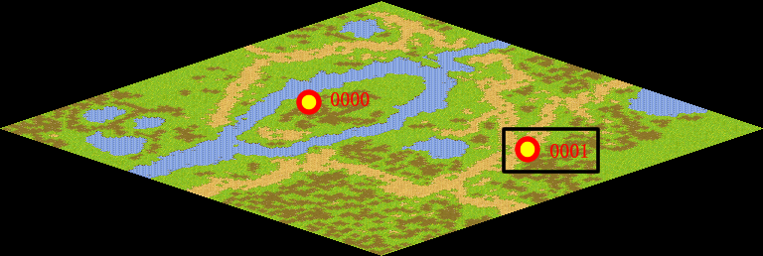
NPC No.
Condition
Dialog
Select
Result | 1 : Scene 0004

ScriptFile | Qlog-0008-003.scr

